Main


`
 | 0.65663265306
 | 0.34336734694
Employee Elevation Ascending HR Analytics
Job
Satisfaction
Rate

Total Employees
Attrition
Active Employees
Attrition rate
Average age

1470
237
1233
16%
37

Total Employees by gender
Standard Hours By Age Group
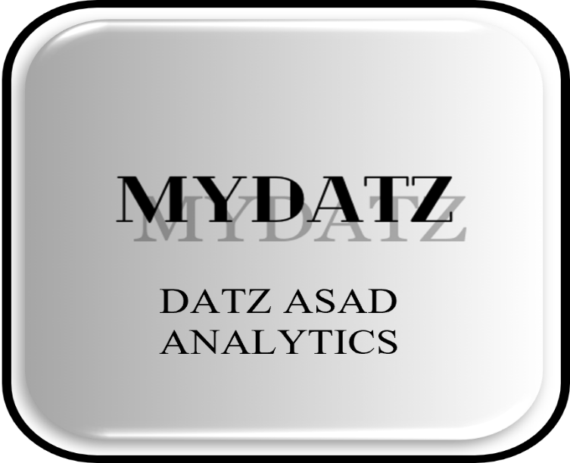

 | Total
25 - 34 | 44320
35 - 44 | 40400
45 - 54 | 19600
Over 55 | 5520
Under 25 | 7760

 | 40%
 | 60%
 | 40%
 | 60%

Daily Rate By Busines Travel
HR UNIVERSE
Income By Department
FILTERS

 | Total
Non-Travel | 122544
Travel_Frequently | 219558
Travel_Rarely | 837552
Embrace the power of human insights, where every data point tells a story of talent, every metric unveils a path to productivity, and every analysis shapes the future of your workforce
 | Total
HR | ₹419,234
R&D | ₹6,036,284
Sales | ₹3,103,791

Enter HR Universe

HR Universe
`
 | 0.65663265306
 | 0.34336734694
HR Insight Hub Navigating Talent Trends
Job
Satisfaction
Rate

Total Employees
Attrition
Active Employees
Attrition rate
Average age

1470
237
1233
16%
37

Total Employees by gender
Education wise attrition
Attrition by job rule

 | Total
(blank)
Doctoral Degree | 5
High School | 31
Associates Degree | 44
Master's Degree | 58
Bachelor's Degree | 99
Healthcare Representative | 9
Human Resources | 12
Laboratory Technician | 62
Manager | 5
Manufacturing Director | 10
Research Director | 2
Research Scientist | 47
Sales Executive | 57
Sales Representative | 33

 | 40%
 | 60%
 | 40%
 | 60%

Department wise Attrition
Attrition by age group
Attrition by marital status
Filters
 | Total
Divorced | 327
Married | 673
Single | 470
 | Total
HR | 5.06%
R&D | 56.12%
Sales | 38.82%
(blank) | 0.00%
 | Total
25 - 34 | 112
35 - 44 | 51
Under 25 | 38
45 - 54 | 25
Over 55 | 11

education
Row Labels | Count of Employee Count |  | Row Labels | Sum of CF_attrition count
Female | 588 |  | (blank)
Male | 882 |  | Doctoral Degree | 5
(blank) |  |  | High School | 31
Grand Total | 1470 |  | Associates Degree | 44
 | Total
(blank)
Doctoral Degree | 5
High School | 31
Associates Degree | 44
Master's Degree | 58
Bachelor's Degree | 99
 |  |  | Master's Degree | 58
 |  |  | Bachelor's Degree | 99
 |  |  | Grand Total | 237

Female | 588 | 40%
male | 882 | 60%

Job satisfaction
Average of Job Satisfaction
2.6265306122

job satifaction | 2.63 | 0.65663265306
full rating | 1.37 | 0.34336734694

job rule
Row Labels | Sum of CF_attrition count | job rule
Healthcare Representative | 9 | Healthcare Representative | 9
Human Resources | 12 | Human Resources | 12
Laboratory Technician | 62 | Laboratory Technician | 62
Manager | 5 | Manager | 5
Manufacturing Director | 10 | Manufacturing Director | 10
Research Director | 2 | Research Director | 2
Research Scientist | 47 | Research Scientist | 47
Sales Executive | 57 | Sales Executive | 57
Sales Representative | 33 | Sales Representative | 33
(blank)
Grand Total | 237

age and marital
 |  | Row Labels | Sum of CF_attrition count | Row Labels | Count of Attrition
Row Labels | Sum of CF_attrition count | 25 - 34 | 112 | Divorced | 327
HR | 5.06% | 35 - 44 | 51 | Married | 673
R&D | 56.12% | Under 25 | 38 | Single | 470
Sales | 38.82% | 45 - 54 | 25 | Grand Total | 1470
(blank) | 0.00% | Over 55 | 11
Grand Total | 100.00% | Grand Total | 237

Monthly income
Row Labels | Sum of Monthly Income
HR | ₹419,234
R&D | ₹6,036,284
Sales | ₹3,103,791
Grand Total | ₹9,559,309

Travel Rate
Row Labels | Sum of Daily Rate
Non-Travel | 122544
Travel_Frequently | 219558
Travel_Rarely | 837552
Grand Total | 1179654

standard
Row Labels | Sum of Standard Hours
25 - 34 | 44320
35 - 44 | 40400
45 - 54 | 19600
Over 55 | 5520
Under 25 | 7760
Grand Total | 117600

